2-Application Architecture
Application Security Assessment Tool

Application high level architecture

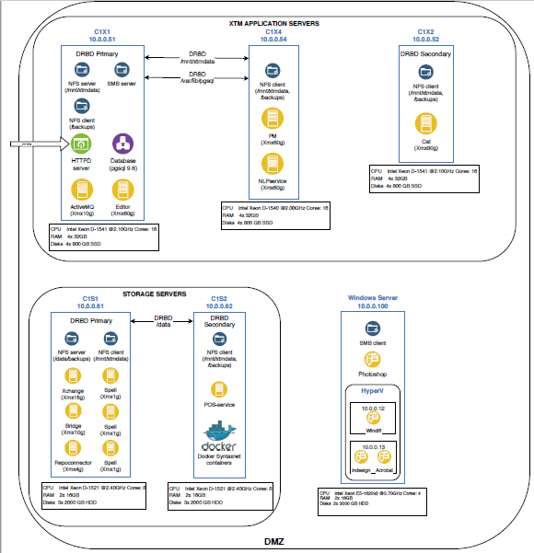
Insert here one or several diagrams explaining the functional and/or technical architecture of the application. In particular, this diagram must show: - the different application components, where they are located, how they communicate with each other, as described in the "1-Application Overview tab" - the other applications with which your application will exchange data / information / authentication - the end users of the application - SGNet - Internet (if components needs to be put in DMZ)

Alex, I will share the link to our latest slides regarding XTM architecture

